10

 |  |  |  |  | 12 Months Base Acquisition
Date of Publication | 2018-04-30

Profile Class | MTC Guide | LLF Guide | Tariff Code | Tariff Description | Standing Charge (p/Day) | Unit Rate (p/kWH) | Day Rate (p/kWH) | Night Rate (p/kWH) | Weekday Rate (p/kWH) | Evening Weekend Rate (p/kWH) | Evening Weekend & Night Rate (p/kWH) | Winter Day Rate (p/kWH) | All Other Times Rate (p/kWH) | Availability (p/kVA/day)

1 | 801 | 3,40 | 101STDKB | Single Rate Domestic Unrestricted | 23.00 | 14.49
2 | 807,811,864,865 | 7 | 102EC7KB | Two Rate Domestic Economy 7 | 24.00 |  | 15.59 | 9.20
2 | 668,669 | 22 | 102OPKB | Domestic Off Peak | 24.00 |  |  | 9.20

3 | 801 | 201,239 | 103STDKB | Single Rate Non Domestic | 25.00 | 13.29
3 | 136 | 237,238 | 103EWEKB | Evening Weekend Non Domestic | 25.00 |  |  |  | 14.39 |  | 11.91
4 | 100,807,808,809,811,812 | 15,205,242 | 104EC7KB | Two Rate Economy 7 Non Domestic | 26.00 |  | 14.31 | 9.24
4 | 138,139 | 247,248 | 104E7WKB | Three Rate Evening Weekend Non Domestic | 26.00 |  |  | 9.16 | 15.15 | 13.11
4 | 108,608,632 | 33,64 | 104OPKB | Non Domestic Off Peak | 21.00 |  |  | 9.87
4 | 100 |  | 104NADKB | 12 Hour Night and Day | 26.00 |  | 14.93 | 9.88

5 - 8 | 801,802 | 250,254 | 105MD1KB | Single Rate Maximum Demand | 82.00 | 13.43
5 - 8 | 807,808 | 254 | 105MD2KB | Two Rate Maximum Demand | 82.00 |  | 13.93 | 9.08

C, E | 845, 900 | 86 | 105HHKB | Half Hourly (CT ONLY) | 82.00 |  | 13.54 | 9.07 |  |  |  |  |  | 3.06
G | 845, 900 | 200 | 105HHXKB | Half Hourly (Non CT ONLY) | 60.00 |  | 13.93 | 9.08

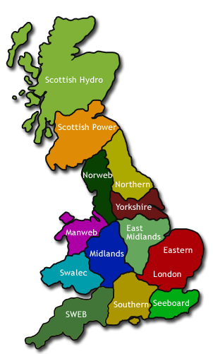

GSP Group | _A
Distributor ID | 10
Distributor Name | Eastern

